Home
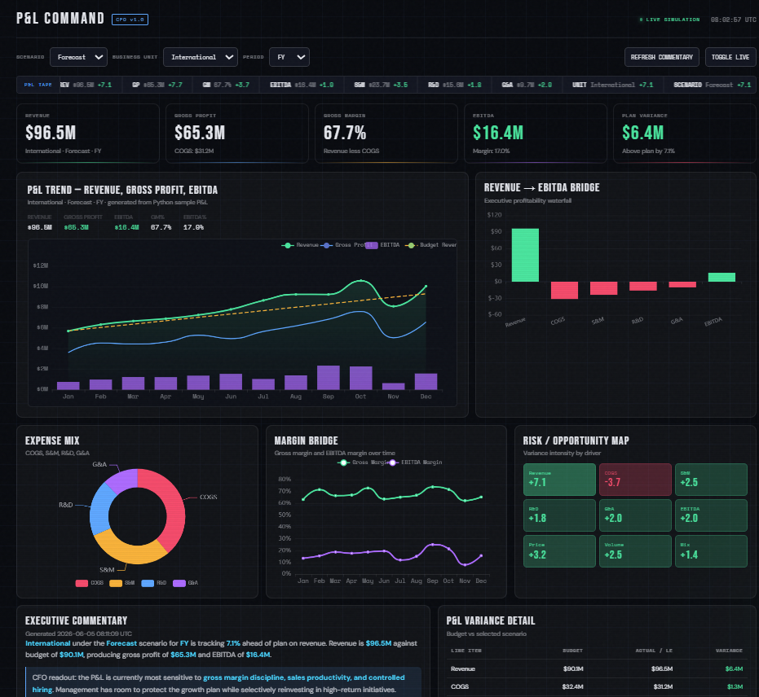

This is how the result would look like!
←
Go to the Guide Tab to see what steps to run!

